Sheet1
 |  |  |  | sanosat-2
 |  |  |  | Power Budget |  |  |  |  |  |  |  |  | v | 3.3 | V
Part | Idle Mode |  | Transmit Mode |  | Receive Mode |  | Camera Mode |  | Deployment
 | I (mA) | P (mW) | I (mA) | P(mW) | I (mA) | P (mW) | Current(mA) | Power (mW) | Current | Power
OBC
ATMEGA328 | 63.4 | 209.22 | 63.4 | 209.22 | 63.4 | 209.22 | 63.4 | 209.22
MAX6369 | 0.008 | 0.0264 | 0.008 | 0.0264 | 0.008 | 0.0264 | 0.008 | 0.0264
TPS2553 | 0.28 | 0.924 | 0.28 | 0.924 | 0.28 | 0.924 | 0.28 | 0.924 |  |  | I=0.14mA at Rlim=20k | Two used so *2
8 Mhz Crystal | 3.6 | 11.88 | 3.6 | 11.88 | 3.6 | 11.88 | 3.6 | 11.88
MB85RC256VPF-G-JNERE2 | 0.2 | 0.66 | 0.2 | 0.66 | 0.2 | 0.66 | 0.2 | 0.66
LSM6DS0 | 1.8 | 5.94 | 1.8 | 5.94 | 1.8 | 5.94 | 1.8 | 5.94
Total | 69.288 | 228.6504 | 69.288 | 228.6504 | 69.288 | 228.6504 | 69.288 | 228.6504

COM
RF4463F30 | 0.003 | 0.0126 | 550 | 2310 | 13.3 | 55.86 | 0.003 | 0.0126

EPS |  |  |  |  |  |  |  |  |  |  | cw tx at 20dBm
SPV1040 | 0.08 | 0.264 | 0.08 | 0.264 | 0.08 | 0.264 | 0.08 | 0.264 |  |  | image/ gfsk: 30dBm
INA219 | 1 | 3.3 | 1 | 3.3 | 1 | 3.3 | 1 | 3.3
TL1963A-33DCQT | 1 | 3.3 | 1 | 3.3 | 1 | 3.3 | 1 | 3.3
TMP100 | 0.0045 | 0.01485 | 0.001 | 0.0033 | 0.001 | 0.0033 | 1.5 | 4.95
total | 2.0845 | 6.87885 | 2.081 | 6.8673 | 2.081 | 6.8673 | 3.58 | 11.814

Payload
Arducam-2MP Camera | 30 | 99 |  | 0 |  | 0 | 106 | 349.8
stm32f103 at 8 mhz | 4 | 13.2 |  | 0 |  | 0 | 7.1 | 23.43
W25Q512JVFIQ | 1 | 3.3 |  | 0 |  | 0 | 5 | 16.5
TPS2553 | 0.28 | 0 | 0.28 | 0 | 0.28 | 0.924 | 0.28 | 0.924 |  |  | I=0.14mA at Rlim=20k | Two used so *2
MAX6369 | 0.008 | 0 | 0.008 | 0 | 0.008 | 0.0264 | 0.008 | 0.0264
Total | 35.288 | 115.5 | 115.5 | 0.288 | 0.288 | 0.9504 | 118.388 | 390.6804

PANELS
TEMT6000 | 6 | 19.8 | 6 | 19.8 | 6 | 19.8 | 6 | 19.8
OPA320AIDBVT | 8.7 | 28.71 | 8.7 | 28.71 | 8.7 | 28.71 | 8.7 | 28.71
Total | 14.7 | 48.51 | 14.7 | 48.51 | 14.7 | 48.51 | 14.7 | 48.51

Antenna Deployment |  | 0 |  | 0 |  | 0 |  | 0 | 1.85 | 6105

Total | 176.748 | 583.2711 | 692.738 | 2781.0354 | 156.038 | 526.8954 | 258.839 | 870.6714 | 1.85 | 6105

 |  |  |  |  |  |  |  |  |  | Fig 2: Fig 2: DoD vs Lithium Ion Battery Cycle

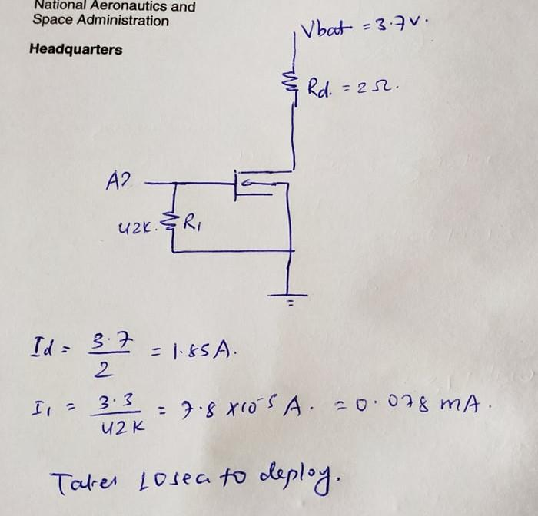
 |  |  |  |  |  | Fig 1: Antenna Deployment Calculation
Battery Capacity
Idle Mode Power | 870.6714 | mW
Eclipse per orbit | 35 | mins |  |  |  |  | The DoD is calculated from graph in Figure 2
Battery Energy in eclipse | 507.89165 | mWH
Efficiency of battery | 75 | %
Battery Capacity Requirement | 677.18886667 | mWH
Number of orbits per day | 15
Num of charging per year | 5475
Mission Life | 2 | year
DoD Required | 30 | %
Margin | 25 | %
Battery Capacity Installed | 2821.6202778 | mWH
Battery Capacity in mAH | 855.03644781 | mAH

